Template
Quinn, Tyler | RyLar Baseball

2022-07-29
 | Postgame Hitting Report
v Sweets

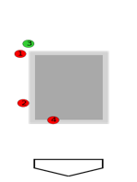
Catcher's View | Pitch | Choice | Result | Situation |  | Outcome
 | FB | Swing | Foul | Inning: | 1 | Exit Velo: | 70.73 MPH
 | FB | Swing | Foul | Outs: | 1
 | CB | Take | Ball | Home: | Coming Soon | Launch Angle: | -43.16°
 | FB | Swing | In Play | Away: | Coming Soon
 |  |  |  | Runners: | Coming Soon | Hit Type: | Ground Ball
 |  |  |  | Pitcher Info
 |  |  |  | Name: | Roblez | Result: | Single
 |  |  |  | Throws: | Right
 |  |  |  | FB Velo: | 88-90 MPH | QAB: | Coming Soon
 |  |  |  | Pitch Mix: | CB,CH,FB
Catcher's View | Pitch | Choice | Result | Situation |  | Outcome
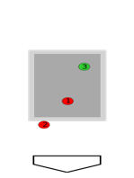
 | FB | Swing | Foul | Inning: | 3 | Exit Velo: | 82.95 MPH
 | FB | Swing | Foul | Outs: | 2
 | CB | Swing | In Play | Home: | Coming Soon | Launch Angle: | 14.74°
 |  |  |  | Away: | Coming Soon
 |  |  |  | Runners: | Coming Soon | Hit Type: | Line Drive
 |  |  |  | Pitcher Info
 |  |  |  | Name: | Roblez | Result: | Single
 |  |  |  | Throws: | Right
 |  |  |  | FB Velo: | 88-90 MPH | QAB: | Coming Soon
 |  |  |  | Pitch Mix: | CB,CH,FB
Catcher's View | Pitch | Choice | Result | Situation |  | Outcome
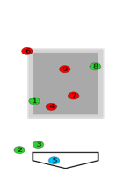
 | CB | Take | Strike | Inning: | 4 | Exit Velo: | 93.65 MPH
 | CB | Take | Ball | Outs: | 1
 | CB | Take | Ball | Home: | Coming Soon | Launch Angle: | 33.31°
 | FB | Take | Strike | Away: | Coming Soon
 | CH | Take | Ball | Runners: | Coming Soon | Hit Type: | Fly Ball
 | FB | Swing | Foul | Pitcher Info
 | FB | Swing | Foul | Name: | Roblez | Result: | Single
 | CB | Swing | Foul | Throws: | Right
 | FB | Swing | In Play | FB Velo: | 88-90 MPH | QAB: | Coming Soon
 |  |  |  | Pitch Mix: | CB,CH,FB
Catcher's View | Pitch | Choice | Result | Situation |  | Outcome
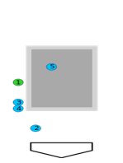
 | CB | Take | Ball | Inning: | 5 | Exit Velo: | 83.46 MPH
 | CH | Take | Ball | Outs: | 2
 | CH | Swing | Foul | Home: | Coming Soon | Launch Angle: | 69.2°
 | CH | Take | Ball | Away: | Coming Soon
 | CH | Swing | In Play | Runners: | Coming Soon | Hit Type: | Popup
 |  |  |  | Pitcher Info
 |  |  |  | Name: | Herbst | Result: | Out
 |  |  |  | Throws: | Right
 |  |  |  | FB Velo: | 83-85 MPH | QAB: | Coming Soon
 |  |  |  | Pitch Mix: | SL,CB,CH,FB
Quinn, Tyler | RyLar Baseball

2022-07-29
 | Postgame Hitting Report
v Sweets

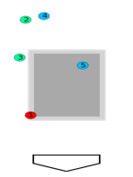
Catcher's View | Pitch | Choice | Result | Situation |  | Outcome
 | FB | Take | Strike | Inning: | 7 | Exit Velo: | 86.78 MPH
 | SL | Take | Ball | Outs: | 0
 | SL | Take | Ball | Home: | Coming Soon | Launch Angle: | 22.04°
 | CH | Take | Ball | Away: | Coming Soon
 | CH | Swing | In Play | Runners: | Coming Soon | Hit Type: | Line Drive
 |  |  |  | Pitcher Info
 |  |  |  | Name: | Plum | Result: | Out
 |  |  |  | Throws: | Right
 |  |  |  | FB Velo: | 84-86 MPH | QAB: | Coming Soon
 |  |  |  | Pitch Mix: | SL,CH,FB
Catcher's View | Pitch | Choice | Result | Situation |  | Outcome
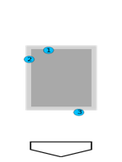
 | CH | Take | Strike | Inning: | 8 | Exit Velo:
 | CH | Swing | Foul | Outs: | 0
 | CH | Swing | Strike | Home: | Coming Soon | Launch Angle:
 |  |  |  | Away: | Coming Soon
 |  |  |  | Runners: | Coming Soon | Hit Type:
 |  |  |  | Pitcher Info
 |  |  |  | Name: | Thompson | Result: | Strikeout
 |  |  |  | Throws: | Left
 |  |  |  | FB Velo: | 84-84 MPH | QAB: | Coming Soon
 |  |  |  | Pitch Mix: | SL,CH,FB
Catcher's View | Pitch | Choice | Result | Situation |  | Outcome
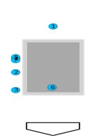
 | CH | Take | Ball | Inning: | 9 | Exit Velo:
 | CH | Take | Ball | Outs: | 2
 | CH | Take | Ball | Home: | Coming Soon | Launch Angle:
 | CH | Take | Strike | Away: | Coming Soon
 | CH | Take | Strike | Runners: | Coming Soon | Hit Type:
 | CH | Swing | Foul | Pitcher Info
 | CH | Take | Strike | Name: | Thompson | Result: | Strikeout
 |  |  |  | Throws: | Left
 |  |  |  | FB Velo: | 84-84 MPH | QAB: | Coming Soon
 |  |  |  | Pitch Mix: | SL,CH,FB
Catcher's View | Pitch | Choice | Result | Situation |  | Outcome
 |  |  |  | Inning: |  | Exit Velo:
 |  |  |  | Outs:
 |  |  |  | Home: |  | Launch Angle:
 |  |  |  | Away:
 |  |  |  | Runners: |  | Hit Type:
 |  |  |  | Pitcher Info
 |  |  |  | Name: |  | Result:
 |  |  |  | Throws:
 |  |  |  | FB Velo: |  | QAB:
 |  |  |  | Pitch Mix:

